Sheet1
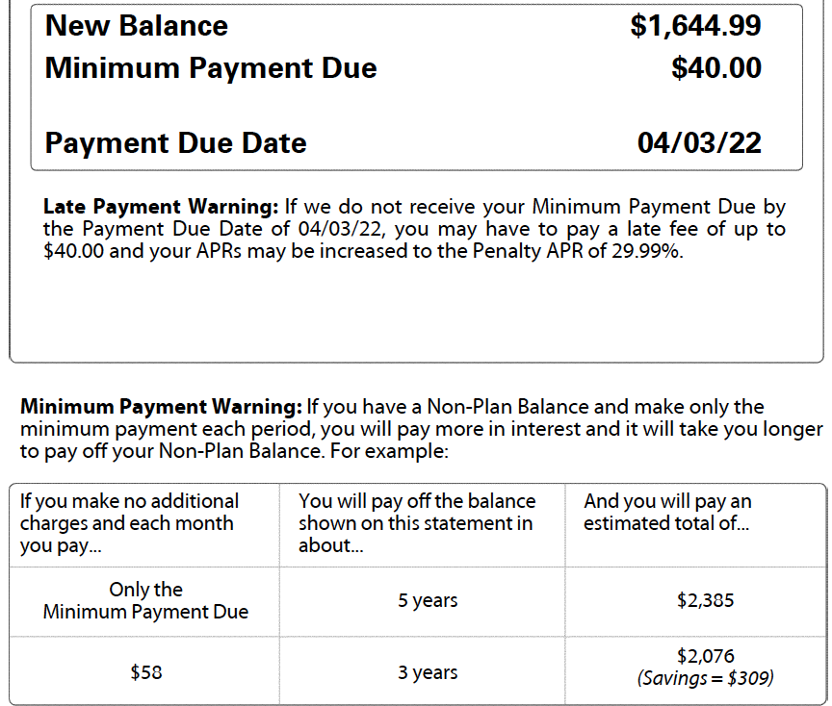
 |  |  |  |  |  |  | SAMPLE #1 |  |  | SAMPLE #2
Get a Pay Raise - SAMPLE
Credit Card | New Statement Current Balance | Minimum Monthly Payment | Amount of time required to pay off by making minimum payments | Amount you will pay by making only minimum payments every month | Difference between paying your credit card in full every month and making minimum payments
VISA #1 | $151.34 | $40.00 | 4 months | $156.00 | $4.66
VISA #2 | $950.20 | $40.00 | 2 years | $1,127.00 | $176.80
M/C #1 | $1,644.99 | $40.00 | 5 years | $2,385.00 | $740.01
M/C #2 | $842.71 | $40.00 | 2 years | $966.00 | $123.29
DISCOVER | $1,461.15 | $40.00 | 4 years | $2,020.00 | $558.85
 |  |  |  |  | $-
 |  |  |  |  | $-
 |  |  |  |  | $-
 |  |  |  |  | $-
TOTALS | $5,050.39 | $200.00 |  | $6,654.00
TOTAL income wasted on interest charges |  |  |  |  | $1,603.61
THIS IS MONEY THAT COULD BE USED TO CREATE YOUR EMERGENCY FUND, PAY OTHER BILLS AND JUST MAKE THE END OF THE MONTH A LITTLE EASIER!
 |  |  |  | input your data
 |  |  |  | Calculated data

Get a Pay Raise
Credit Card | New Statement Current Balance | Minimum Monthly Payment | Amount of time required to pay off by making minimum payments | Amount you will pay by making only minimum payments every month | Difference between paying your credit card in full every month and making minimum payments
 |  |  |  |  | $-
 |  |  |  |  | $-
 |  |  |  |  | $-
 |  |  |  |  | $-
 |  |  |  |  | $-
 |  |  |  |  | $-
 |  |  |  |  | $- |  |  | You can also use the calculator | How Much Do I Owe?
 |  |  |  |  | $- | to find out how much interest you
 |  |  |  |  | $- | will pay and how long it will take to pay it off.
 |  |  |  |  | $-
TOTAL income wasted on interest charges |  |  |  |  | $-

 |  |  |  | input your data
 |  |  |  | Calculated data

